Pipe line section data
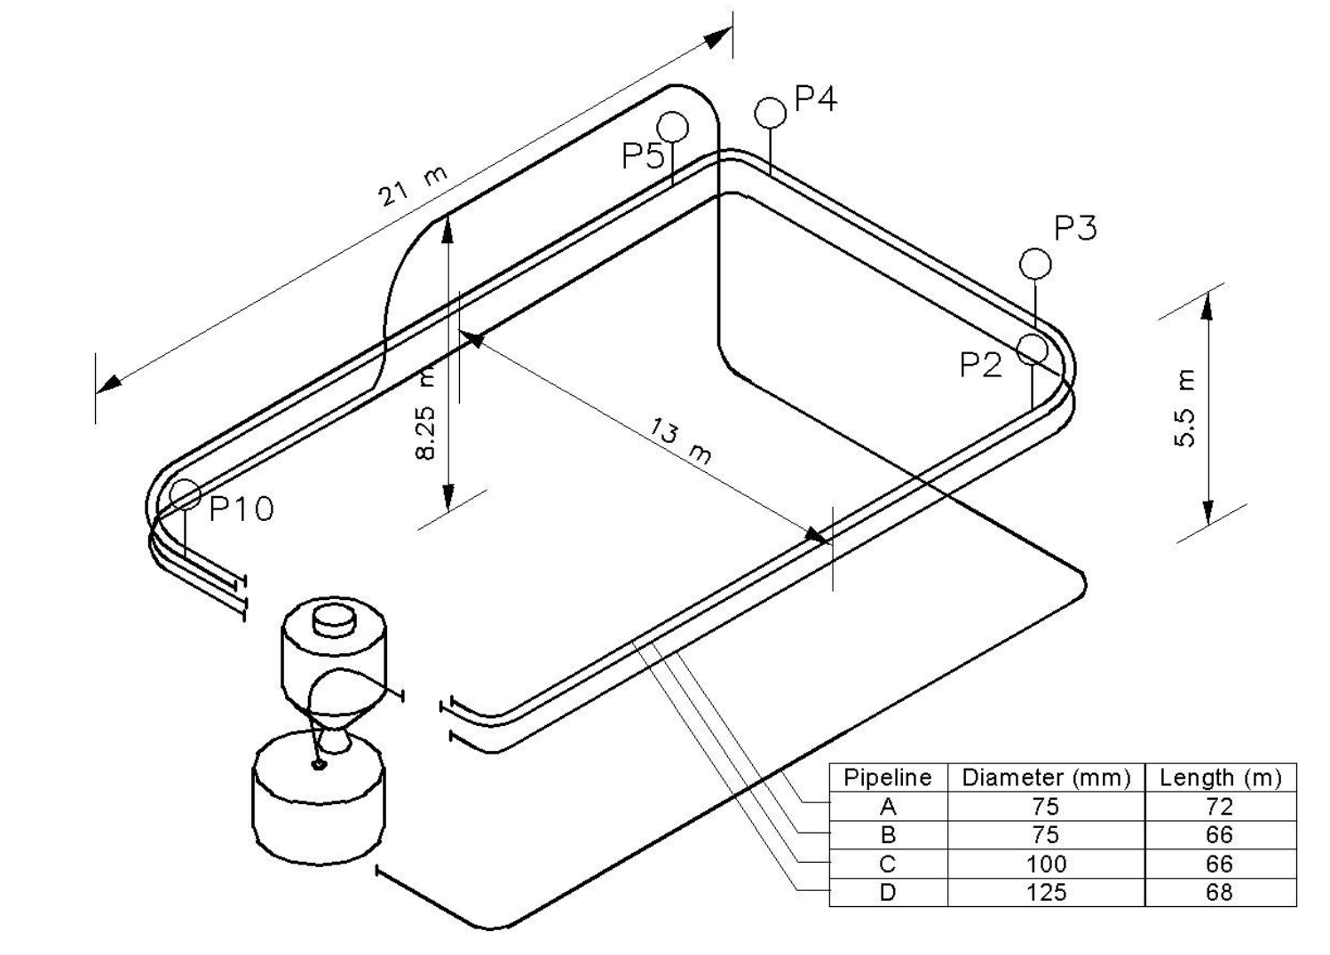
PIPE LINE SECTIONS DATA: pipeline "A" at powderhall
section nmber | pipe line component | orientation | lenght. m | inside dimater. m | section equivalent length. m | cumulative equivalent length. m
1 | pipe | horizontal | 6 | 0.075 | 6 | 6
2 | 90 ° Bend | horizontal to horizontal |  | 0.075 | 12.192 | 18.192
3 | pipe | horizontal | 21 | 0.075 | 21 | 39.192
4 | 90 ° Bend | horizontal to horizontal |  | 0.075 | 12.192 | 51.384
5 | pipe | horizontal | 13 | 0.075 | 13 | 64.384
6 | 90 ° Bend | horizontal to vertical |  | 0.075 | 12.192 | 76.576
7 | pipe | vertical | 8.25 | 0.075 | 8.25 | 84.826
8 | 90 ° Bend | vertical to horizontal |  | 0.075 | 12.192 | 97.018
9 | pipe | horizontal | 11 | 0.075 | 11 | 108.018
10 | 90 ° Bend | horizontal to vertical |  | 0.075 | 12.192 | 120.21
11 | pipe | vertical | 2.75 | 0.075 | 2.75 | 122.96
12 | 90 ° Bend | vertical to horizontal |  | 0.075 | 12.192 | 135.152
13 | pipe | horizontal | 10 | 0.075 | 10 | 145.152
Pipeline A: length= 79m
14 | 90 ° Bend | horizontal to horizontal |  | 0.075 | 12.192 | 157.344
15 | pipe | horizontal | 7 | 0.075 | 7 | 164.344
 | total |  | 79

section nmber | pipe line component | orientation | lenght, m | inside dimater, m | section equivalent length, m | cumulative equivalent length, m
1 | pipe | horizontal | 2 | 0.075 | 2
 |  |  | 2 |  | 2
 |  |  | 2 |  | 2 | 6
2 | 90 ° Bend | horizontal to horizontal |  | 0.075 | 12.192 | 18.192
3 | pipe | horizontal | 2 | 0.075 | 2
 |  |  | 2 |  | 2
 |  |  | 2 |  | 2
 |  |  | 2 |  | 2
 |  |  | 2 |  | 2
 |  |  | 2 |  | 2
 |  |  | 2 |  | 2
 |  |  | 2 |  | 2
 |  |  | 2 |  | 2
 |  |  | 2 |  | 2
 |  |  | 1 |  | 1 | 39.192
4 | 90 ° Bend | horizontal to horizontal |  | 0.075 | 12.192 | 51.384
5 | pipe | horizontal | 2 | 0.075 | 2
 |  |  | 2 |  | 2
 |  |  | 2 |  | 2
 |  |  | 2 |  | 2
 |  |  | 2 |  | 2
 |  |  | 2 |  | 2
 |  |  | 1 |  | 1 | 64.384
6 | 90 ° Bend | horizontal to vertical |  | 0.075 | 12.192 | 76.576
7 | pipe | vertical | 2 | 0.075 | 2
 |  |  | 2 |  | 2
 |  |  | 2 |  | 2
 |  |  | 2 |  | 2
 |  |  | 0.25 |  | 0.25 | 84.826
8 | 90 ° Bend | vertical to horizontal |  | 0.075 | 12.192 | 97.018
9 | pipe | horizontal | 2 | 0.075 | 2
 |  |  | 2 |  | 2
 |  |  | 2 |  | 2
 |  |  | 2 |  | 2
 |  |  | 2 |  | 2
 |  |  | 1 |  | 1 | 108.018
10 | 90 ° Bend | horizontal to vertical |  | 0.075 | 12.192 | 120.21
11 | pipe | vertical | 2 | 0.075 | 2
 |  |  | 0.75 |  | 0.75 | 122.96
12 | 90 ° Bend | vertical to horizontal |  |  | 12.192 | 135.152
13 | pipe | horizontal | 2 |  | 2
 |  |  | 2 |  | 2
 |  |  | 2 |  | 2
 |  |  | 2 |  | 2
 |  |  | 2 |  | 2 | 145.152
14 | 90 ° Bend | horizontal to horizontal |  | 0.075 | 12.192 | 157.344
15 | pipe | horizontal | 2 | 0.075 | 2
 |  |  | 2 |  | 2
 |  |  | 2 |  | 2
 |  |  | 1 |  | 1 | 164.344
 | total |  | 79

