Ark1
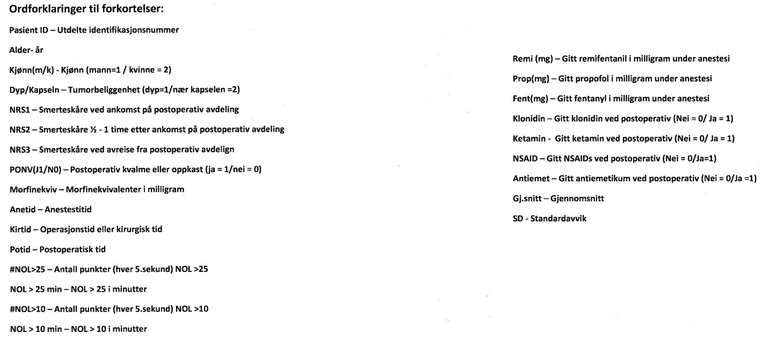
Pasient ID | Alder | Kjønn(m/k) | Dyp/Kapseln | BIS (Gjsnitt) | NRS1 | NRS2 | NRS3 | PONV(J1/N0) | Morfinekviv | Anetid | Kirtid | Potid | #NOL>25 | NOL>25min | #NOL>10 | NOL>10min | Remi(mg) | Prop(mg) | Fent(mg) | klonidin | ketamin | NSAID | antiemetikum
P1 | 78 | 2 | 2 | 49 | 3 | 6 | 2 | 0 | 27.5 | 139 | 75 | 113 | 174 | 14.5 | 475 | 39.58 | 0.95 | 933 | 0 | 0 | 0 | 0 | 0
P2 | 71 | 1 | 1 | 42 | 0 | 0 | 0 | 0 | 26 | 260 | 143 | 136 | 144 | 12 | 1032 | 86 | 1.889 | 1543 | 0.1 | 0 | 0 | 0 | 0
P3 | 55 | 2 | 1 | 43 | 10 | 7 | 3 | 1 | 56 | 254 | 159 | 221 | 273 | 22.75 | 788 | 65.67 | 3.9 | 1711 | 0.2 | 1 | 0 | 1 | 0
P4 | 49 | 1 | 1 | 33 | 0 | 3 | 3 | 0 | 31 | 220 | 154 | 76 | 210 | 17.5 | 409 | 34.08 | 3 | 1070 | 0.1 | 0 | 0 | 0 | 0
P5 | 58 | 2 | 1 | 42 | 0 | 0 | 0 | 0 | 0 | 104 | 33 | 60 | 132 | 11 | 395 | 32.9 | 1.386 | 653 | 0.1 | 0 | 0 | 0 | 0
P6 | 64 | 1 | 1 | 33 | 0 | 2 | 0 | 0 | 40 | 203 | 131 | 164 | 464 | 38.7 | 933 | 77.8 | 3 | 1420 | 0.6 | 1 | 0 | 0 | 0
P7 | 74 | 2 | 2 | 39 | 7 | 5 | 3 | 0 | 24 | 174 | 119 | 146 | 130 | 10.83 | 752 | 62.67 | 1.7 | 1086 | 0.05 | 1 | 0 | 1 | 0
P8 | 63 | 1 | 1 | 39 | 7 | 6 | 5 | 0 | 44 | 180 | 83 | 240 | 95 | 7.92 | 475 | 39.58 | 1.825 | 920 | 0 | 1 | 0 | 0 | 0
P10 | 61 | 1 | 1 | 40 | 8 | 5 | 2 | 0 | 85 | 227 | 141 | 160 | 269 | 22.42 | 1057 | 88.08 | 3.65 | 1380 | 0.2 | 0 | 0 | 0 | 1
P11 | 69 | 1 | 2 | 38 | 5 | 2 | 0 | 0 | 38 | 255 | 162 | 96 | 653 | 54.42 | 1964 | 163.67 | 2.5 | 1150 | 0.1 | 0 | 0 | 0 | 0
P12 | 73 | 1 | 2 | 40 |  |  |  | 1 | 21.5 | 136 | 52 | 73 | 84 | 7 | 408 | 34 | 2.45 | 1150 | 0.15 | 0 | 0 | 1 | 0
P13 | 77 | 1 | 2 | 47 | 0 | 5 | 2 | 0 | 28 | 203 | 102 | 176 | 390 | 32.5 | 1127 | 93.92 | 2.25 | 1410 | 0.25 | 0 | 0 | 0 | 0
P14 | 67 | 1 | 2 | 41 |  | 5 |  | 1 | 18 | 178 | 63 | 107 | 85 | 7.08 | 487 | 40.58 | 1.8 | 1310 | 0 | 0 | 0 | 1 | 0
P15 | 47 | 1 | 2 | 41 | 0 | 6 | 3 | 0 | 29 | 201 | 94 | 114 | 265 | 22.08 | 892 | 74.33 | 2.069 | 1529 | 0.25 | 1 | 0 | 0 | 0
Gj.snitt | 64.714285714 |  |  | 40.5 | 1.5 | 6 | 2.5 |  | 33.43 |  | 107.92857143 |  |  | 20.05 |  |  | 2.31 |  | 0.15
Median |  |  |  |  | 1.5 | 6 | 3
SD |  |  |  | 4 | 1.5 | 0 | 0.5

